Instructions for Mod 8 Ex. 1
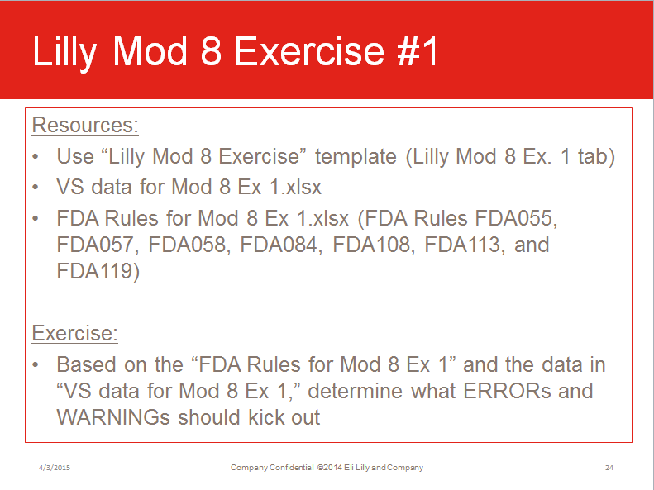

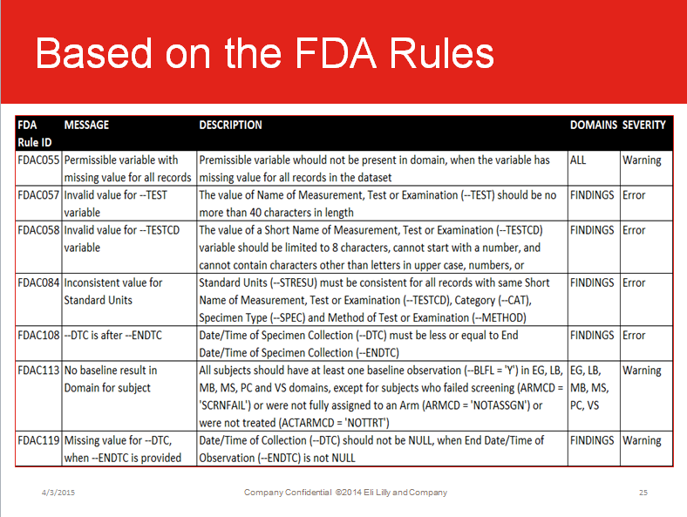

Based on the data below:
Row # | STUDYID | DOMAIN | USUBJID | VSSEQ | VSGRPID | VSTESTCD | VSTEST | VSORRES | VSORRESU | VSSTRESC | VSSTRESN | VSSTRESU | VSBLFL | VISITNUM | VSDTC
1 | ABC | VS | ABC-01-10001 | 1 |  | HEIGHTINCHES | Height in Inches | 64 | IN | 162.58 | 162.58 | cm | Y | 1 | 2014DEC12
2 | ABC | VS | ABC-01-10001 | 2 |  | WEIGHT | Weight | 125 | LB | 125 | 125 | LB | Y | 2 | 2014DEC12
3 | ABC | VS | ABC-01-10001 | 3 |  | TEMP | Temperature | 98.6 | F | 37 | 37 | C | Y | 3 | 2014DEC12
4 | ABC | VS | ABC-01-10002 | 4 |  | HEIGHTINCHES | Height in Inches | 68 | IN | 68 | 68 | IN |  | 1 | 2015JAN03
5 | ABC | VS | ABC-01-10002 | 5 |  | WEIGHT | Weight | 150 | LB | 68.04 | 68.04 | kg |  | 2 | 2015JAN03
6 | ABC | VS | ABC-01-10002 | 6 |  | TEMP | Temperature | 37.5 | C | 37.5 | 37.5 | C |  | 3 | 2015JAN03

Instructions for Mod 8 Ex. 2
